Historical Curve Delta
Category | Metric Name | Logic / Formula | Strategic Objective | Questions We Want to Ask the Data | Red Flag Trigger | Month | Project A Outflow | Project A Cumulative Outflow | Project A Inflow | Project A Net Flow | Project A Cumulative Flow | Project B Outflow | Project B Cumulative Outflow | Project B Inflow | Project B Net Flow | Project B Cumulative Flow | Project C Outflow | Project C Cumulative Outflow | Project C Inflow | Project C Net Flow | Project C Cumulative Flow | Project D Outflow | Project D Cumulative Outflow | Project D Inflow | Project D Net Flow | Project D Cumulative Flow | Project E Outflow | Project E Cumulative Outflow | Project E Inflow | Project E Net Flow | Project E Cumulative Flow
**Liquidity** | Historical Curve Delta | Current S-Curve vs. Mean OR Current Cash S-Curve vs. Historical Mean | Flags if a project is "bleeding" early or faster than usual. | Does this project's cash curve look like our last failure or our last success based on the mean PACE of budget spend? | 15% deviation from Mean | 1 | 3000000 | 3000000 | 0 | -3000000 | -3000000 | 5000000 | 5000000 | 0 | -5000000 | -5000000 | 2500000 | 2500000 | 0 | -2500000 | -2500000 | 1500000 | 1500000 | 0 | -1500000 | -1500000 | 6000000 | 6000000 | 0 | -6000000 | -6000000
 |  |  | Was not able to make this into an Excel Template |  |  | 2 | 4000000 | 7000000 | 0 | -4000000 | -7000000 | 6000000 | 11000000 | 0 | -6000000 | -11000000 | 3500000 | 6000000 | 0 | -3500000 | -6000000 | 2000000 | 3500000 | 0 | -2000000 | -3500000 | 7000000 | 13000000 | 0 | -7000000 | -13000000
Project ID | Budget | Column 1 | Month | Mean Pace of Budget Spend | Column 2 | 3 | 4500000 | 11500000 | 1000000 | -3500000 | -10500000 | 7000000 | 18000000 | 0 | -7000000 | -18000000 | 4500000 | 10500000 | 0 | -4500000 | -10500000 | 3000000 | 6500000 | 500000 | -2500000 | -6000000 | 7000000 | 20000000 | 0 | -7000000 | -20000000
Project A | 41100000 |  | 3 | 33.97% |  | 4 | 5000000 | 16500000 | 0 | -5000000 | -15500000 | 8000000 | 26000000 | 1000000 | -7000000 | -25000000 | 5500000 | 16000000 | 0 | -5500000 | -16000000 | 4500000 | 11000000 | 0 | -4500000 | -10500000 | 6000000 | 26000000 | 500000 | -5500000 | -25500000
Project B | 50600000 |  | 6 | 72.95% |  | 5 | 6000000 | 22500000 | 1500000 | -4500000 | -20000000 | 7500000 | 33500000 | 0 | -7500000 | -32500000 | 5000000 | 21000000 | 1000000 | -4000000 | -20000000 | 5000000 | 16000000 | 1000000 | -4000000 | -14500000 | 1000000 | 27000000 | 0 | -1000000 | -26500000
Project C | 34100000 |  | 9 | 91.23% |  | 6 | 5500000 | 28000000 | 0 | -5500000 | -25500000 | 6000000 | 39500000 | 2000000 | -4000000 | -36500000 | 4000000 | 25000000 | 0 | -4000000 | -24000000 | 5000000 | 21000000 | 0 | -5000000 | -19500000 | 1000000 | 28000000 | 1000000 | 0 | -26500000
Project D | 30100000 |  | 12 | 97.06% |  | 7 | 4000000 | 32000000 | 2500000 | -1500000 | -27000000 | 4000000 | 43500000 | 0 | -4000000 | -40500000 | 3000000 | 28000000 | 1500000 | -1500000 | -25500000 | 4000000 | 25000000 | 2000000 | -2000000 | -21500000 | 4000000 | 32000000 | 0 | -4000000 | -30500000
Project E | 37100000 |  | 15 | 99.47% |  | 8 | 3000000 | 35000000 | 0 | -3000000 | -30000000 | 2500000 | 46000000 | 3000000 | 500000 | -40000000 | 2000000 | 30000000 | 0 | -2000000 | -27500000 | 1000000 | 26000000 | 0 | -1000000 | -22500000 | 1000000 | 33000000 | 2000000 | 1000000 | -29500000
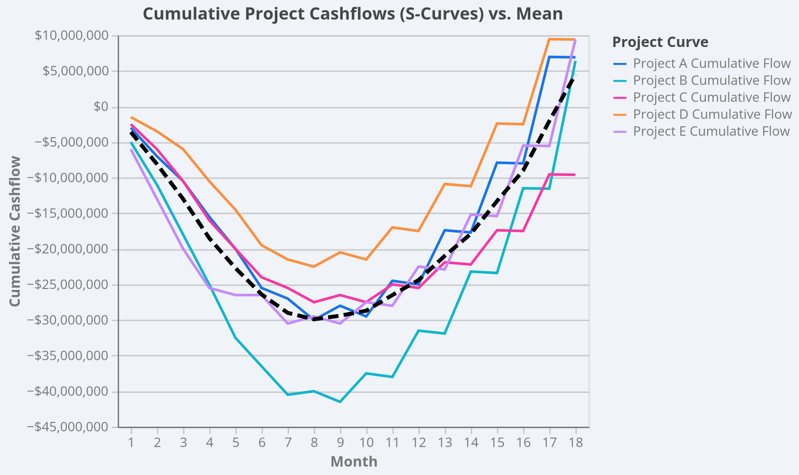
 |  |  |  |  |  | 9 | 2000000 | 37000000 | 4000000 | 2000000 | -28000000 | 1500000 | 47500000 | 0 | -1500000 | -41500000 | 1000000 | 31000000 | 2000000 | 1000000 | -26500000 | 1000000 | 27000000 | 3000000 | 2000000 | -20500000 | 1000000 | 34000000 | 0 | -1000000 | -30500000
 |  |  |  |  |  | 10 | 1500000 | 38500000 | 0 | -1500000 | -29500000 | 1000000 | 48500000 | 5000000 | 4000000 | -37500000 | 1000000 | 32000000 | 0 | -1000000 | -27500000 | 1000000 | 28000000 | 0 | -1000000 | -21500000 | 1000000 | 35000000 | 4000000 | 3000000 | -27500000
 |  |  |  |  |  | 11 | 1000000 | 39500000 | 6000000 | 5000000 | -24500000 | 500000 | 49000000 | 0 | -500000 | -38000000 | 500000 | 32500000 | 3000000 | 2500000 | -25000000 | 500000 | 28500000 | 5000000 | 4500000 | -17000000 | 500000 | 35500000 | 0 | -500000 | -28000000
 |  |  |  |  |  | 12 | 500000 | 40000000 | 0 | -500000 | -25000000 | 500000 | 49500000 | 7000000 | 6500000 | -31500000 | 500000 | 33000000 | 0 | -500000 | -25500000 | 500000 | 29000000 | 0 | -500000 | -17500000 | 500000 | 36000000 | 6000000 | 5500000 | -22500000
 |  |  |  |  |  | 13 | 400000 | 40400000 | 8000000 | 7600000 | -17400000 | 400000 | 49900000 | 0 | -400000 | -31900000 | 400000 | 33400000 | 4000000 | 3600000 | -21900000 | 400000 | 29400000 | 7000000 | 6600000 | -10900000 | 400000 | 36400000 | 0 | -400000 | -22900000
 |  |  |  |  |  | 14 | 300000 | 40700000 | 0 | -300000 | -17700000 | 300000 | 50200000 | 9000000 | 8700000 | -23200000 | 300000 | 33700000 | 0 | -300000 | -22200000 | 300000 | 29700000 | 0 | -300000 | -11200000 | 300000 | 36700000 | 8000000 | 7700000 | -15200000
 |  |  |  |  |  | 15 | 200000 | 40900000 | 10000000 | 9800000 | -7900000 | 200000 | 50400000 | 0 | -200000 | -23400000 | 200000 | 33900000 | 5000000 | 4800000 | -17400000 | 200000 | 29900000 | 9000000 | 8800000 | -2400000 | 200000 | 36900000 | 0 | -200000 | -15400000
 |  |  |  |  |  | 16 | 100000 | 41000000 | 0 | -100000 | -8000000 | 100000 | 50500000 | 12000000 | 11900000 | -11500000 | 100000 | 34000000 | 0 | -100000 | -17500000 | 100000 | 30000000 | 0 | -100000 | -2500000 | 100000 | 37000000 | 10000000 | 9900000 | -5500000
 |  |  |  |  |  | 17 | 50000 | 41050000 | 15000000 | 14950000 | 6950000 | 50000 | 50550000 | 0 | -50000 | -11550000 | 50000 | 34050000 | 8000000 | 7950000 | -9550000 | 50000 | 30050000 | 12000000 | 11950000 | 9450000 | 50000 | 37050000 | 0 | -50000 | -5550000
 |  |  |  |  |  | 18 | 50000 | 41100000 | 0 | -50000 | 6900000 | 50000 | 50600000 | 18000000 | 17950000 | 6400000 | 50000 | 34100000 | 0 | -50000 | -9600000 | 50000 | 30100000 | 0 | -50000 | 9400000 | 50000 | 37100000 | 15000000 | 14950000 | 9400000

